w1
 | TOTAL POINTS 6
 | 1.Question 1
 | This is a technology that provides networking to connect people, things, applications, and data through the Internet to enable remote control, management, and interactive integrated services. What is this technology?
 | Interface of Things
 | Interaction of Things
y | Internet of Things | This is the answer. “Internet of Things” provides this functionality
 | Intermediation of Things
 | 1 point
 | 2.Question 2
 | Which of the following statements is not related to the influence of IoT?
 | More ‘things’ can be monitored and controlled
 | More complex tasks can be accomplished in lesser time
y | Data is collected less frequently and reliably | This is the answer. Data will be collected more frequently and more reliably
 | Mobile devices and ‘things’ become more valuable
 | 1 point
 | 3.Question 3
 | Based on the IoT market and industry categories presented in the lectures, which of the followings is not included in IoT market and industry categories?
 | Connected application and processes
y | Connected engineering
 | Connected intelligence
 | Connected edge
 | 1 point
 | 4.Question 4
 | Based on the IoT market and industry categories presented in the lectures, which of the followings is not included in the IoT market and industry sub-categories?
 | Smart data
 | Connected & autonomous things
 | Smart network
y | Smartphone | This is the answer. Smartphone is not included in the sub-categories
 | 1 point
 | 5.Question 5
 | Based on the IoT market and industry ‘Smart Consumer & User’ sub-category, which of the following includes technologies and companies, such as Google Glass, Microsoft Cortana, Oculus, and Tessera?
y | Facilitative reality | This is the answer. ‘Facilitative reality’ includes the mentioned technologies and companies
 | Connected homes
 | Connected cars
 | Smart health
 | 1 point
 | 6.Question 6
 | Based on the IoT market and industry ‘Smart Data’ sub-category, which of the following includes technologies and companies such as Google Brain, DataSift, and NVIDIA?
 | Big data
 | Data security
 | Data center
y | AI & Machine learning
 | 1 point

 | Which of the following statements is not related to the influence of IoT?
 | More complex tasks can be accomplished in lesser time
 | Data will be collected more frequently and reliably
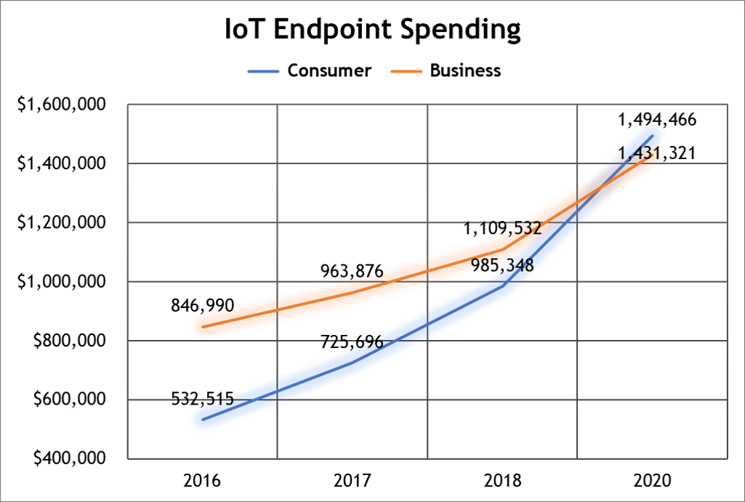
 | ‘Things’ become more controllable
y | More users and machines will collaborate in offline mode
 | 1 point
 | 2.Question 2
 | Which of the following statements is correct according to the ‘IoT Endpoint Spending’ graph, based on the ‘IoT market and industry’ lecture?

 | IoT endpoint spending of businesses in 2016 is more than twice that of consumers
 | Difference of spending amount between consumers and businesses is smallest in 2018
 | In 2017, the IoT endpoint spending of consumer reached $900,000
y | IoT endpoint spending of consumers will be higher than that of businesses in 2020
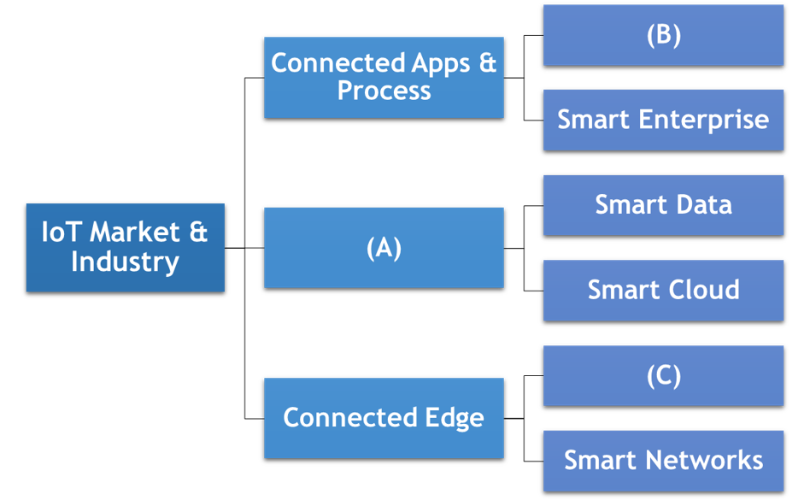
 | 1 point
 | 3.Question 3
 | For the below IoT market and industry relation figure, what are the correct words for (A), (B), and (C) (in an (A)-(B)-(C) form)?

 | Connected Home – Smart Factory – Connected Car
y | Connected Intelligence – Smart Consumer/User – Connected & Autonomous Things
 | Connected Things – Smart City – Smart Internet
 | Connected Intelligence – Smart City – Connected Car
 | 1 point
 | 4.Question 4
 | Which of the following IoT hardware devices adopts ‘Atmel’s ATmega’ as its microprocessor?
 | Raspberry Pi 3 Model B
 | Beaglebone black
y | Arduino Uno
 | Orange Pi PC plus
 | 1 point
 | 5.Question 5
 | Among the following options about ‘Things Support Library API’ in ‘Android Things’, which is the correct pair of API set and description?
 | [Please refer back to the video lecture "IoT Products & Services"]
 | Peripheral I/O API – Includes touch pads, keyboards, and game controllers
 | Peripheral I/O API – An extension of the hardware framework
 | User Driver API – Supports GPIO, PWM, UART, and SPI physical connectivity
y | User Driver API – App becomes able to communicate with hardware events
 | 1 point
 | 6.Question 6
 | Among following descriptions about IoT solutions of Samsara, which one is correct?
y | Provide plug-and-play technology for installation
 | Provide network equipment including gateways and servers to support multiple IoT devices
 | Samsara products include various smartphones and smartwatches
 | Installation license and professional training required
 | 1 point
 | 7.Question 7
 | Based on the lecture on ZingBox, find the words that properly fill the blanks in ⓐ-ⓑ-ⓒ-ⓓ order among the options below.

 | Detecting – Defending – Machine Learning – Rule-based detection
 | Defending – Detecting – Deep Learning – Rule-based detection
y | Detecting – Defending – Rule-based detection – Unsupervised deep learning
 | Detecting – Defending – Rule-based detection – Supervised deep learning
 | 1 point
 | 8.Question 8
 | Among the following descriptions on Uber’s IoT applications, which is incorrect?
 | Uber connects cars to a server, where cars and the server are correspondent to things and Internet, respectively
y | Location sensor data is stored only on a mobile device, and not transmitted to the main system
 | Uber’s back end cloud system provides analytics to match the optimal driver and passenger pair
 | In 2018, Uber supports services in 84 countries and over 760 cities
 | 1 point

w2
 | Among the following options about the IoT architecture layers, which one is correctly ordered from a lower layer to an upper layer?
 | Application -> Management service -> Gateway and network -> Sensors connectivity and network
y | Sensors connectivity and network -> Gateway and network -> Management service -> Application
 | Gateway and network -> Management service -> Sensors connectivity and network -> Application
 | Sensors connectivity and network -> Application -> Gateway and network -> Management service
 | 1 point
 | 2.Question 2
 | Among the following descriptions on the sensor layer of the IoT architecture, which one is incorrect?
 | Made up of sensors and smart devices
 | Forms a wireless sensor network
y | Sensors use low power and high data rate connectivity | Sensors use low data rate connectivity
 | Real-time information is collected and processed
 | 1 point
 | 3.Question 3
 | Among the following, which is not a functionality of the IoT Management Service Layer?
 | Information Analysis
 | Device Management
 | Security Control
y | Enterprise | Enterprise support is conducted in the IoT Application Layer
 | 1 point
 | 4.Question 4
 | Among the following pairs of service domain and its service areas of the IoT application layer, which one is correct?
 | Smart Home - Pipeline Monitoring, Tank Monitoring, Power Line Monitoring
 | Smart City - Customer Privacy, Business Transactions, Business Security
 | Smart Military - Entertainment, Internet Access
y | Smart Transportation - Road Condition Monitoring, Traffic Status Monitoring, Traffic Light Control | Road condition monitoring and traffic related service is included in the Smart Transportation domain
 | Smart Office - City Management, Resource Management
 | 1 point
 | 5.Question 5
 | Among the following IoT hardware components, which one is in a different category?
 | Arduino
y | RFID | RFID is not an IoT processor nor microcontroller like other optio
 | Raspberry Pi
 | Beagleboard
 | 1 point
 | 6.Question 6
 | Among 소 e following descriptions for RFID, which one is incorrect?
y | RFID can be used only when in line of sight of the reader | RFID uses RF signals to communicate and does not need to be in line of sight of the reader
 | RFID chip contains information about the attached object
 | RFID chip uses the RF coil as an antenna to transfer object data to the reader
 | RFID unit does not have a battery, so it uses the antenna to receive energy to operate
 | 1 point

 | Among the following descriptions about the gateway & network layer of the IoT architecture, which one is incorrect?
 | This layer should support massive volumes of IoT sensor data
y | Network model of this layer requires high levels of security and low scalability | high scalability
 | The implementation requires a robust and reliable performance
 | This layer supports private, public, and hybrid types of network models
 | 1 point
 | 2.Question 2
 | What kind of IoT technology is described in the following two description sentences?
 | - IoT networks may need to collect, analyze, and process segments of raw data and turn it in into operational control information
 | - This technology of IoT is needed because many IoT devices will not have sufficient data processing capability or interoperability functionality
y | IoT cloud computing technology
 | Wireless sensor network technology
 | IoT mobility support technology
 | Identification technology
 | 1 point
 | 3.Question 3
 | What kind of sensor is described in the following table?

 | Pressure sensor
 | Flow sensor
 | Imaging sensor
y | Ultrasonic sensor
 | Temperature/Humidity sensor
 | 1 point
 | 4.Question 4
 | As a platform for IoT devices, this IoT hardware component supports interfaces, such as, OS (Operating System), utilities, or networking modules for other IoT components. What is this IoT hardware component?
 | [Please refer back to the video lecture "IoT Technologies"]
 | Sensor
 | Actuator
 | Motor
 | RFID
y | Processor & Microcontroller
 | 1 point
 | 5.Question 5
 | Among following descriptions on Arduino, which one is incorrect?
 | Arduino is an open-source microcontroller and hardware
 | Arduino board circuit design is available on the Arduino official website
 | User-specific program can be developed and uploaded using the IDE (Integrated Development Environment)
 | Arduino Lilypad is a type of Arduino board used for wearable devices
y | Arduino Yun is used for IoT systems that adopt the ATmega328P for lower power consumption
 | 1 point
 | 6.Question 6
 | Among the following descriptions on Raspberry Pi, which one is incorrect?
 | Developed for promoting basic computer science skills in schools
y | Supports the full functionality of a personal computer
 | Raspberry Pi 3 Model B runs on a Linux-based OS (Operating System) called Raspbian
 | Raspberry Pi Zero W is a lightweight version of Raspberry Pi board that supports restricted I/O and GPIO capabilities
 | 1 point
 | 7.Question 7
 | Among following descriptions on BeagleBoard, which one is incorrect?
 | [Please refer back to the video lecture "IoT Technologies"]
 | This is an open-source single-board computer
y | BeagleBoard supports various OSs (Operating Systems), such as, Linux, Devian, and Android, but does not support Microsoft Windows
 | BeagleBoard adopts PRU (Programmable Real-time Unit) used for delay-sensitive applications
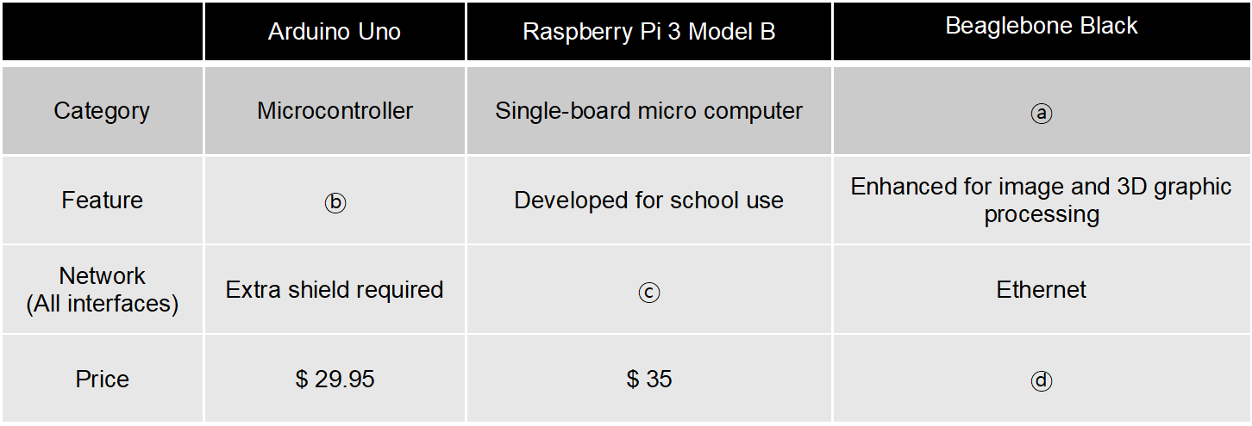
 | BeagleBoard has a very low power consumption, which is up to 2W
 | 1 point
 | 8.Question 8
 | Based on the lecture on IoT device platforms, find the words that properly fill the blanks in ⓐ-ⓑ-ⓒ-ⓓ order among the options below.

 | Single-board micro computer – Android OS support – Wi-Fi - $25
 | Microcontroller – GPU available – Bluetooth/BLE/Ethernet/Wi-Fi - $55
 | Microcontroller – open-source project – Wi-Fi - $25
y | Single-board micro computer – open-source project – Bluetooth/BLE/Ethernet/Wi-Fi - $ 55
 | 1 point

w3
 | Which of the following incorrectly matches the network technology and its standardization group category?
 | Bluetooth - WPAN
 | ZigBee - WPAN
y | Wi-Fi - WPAN | Wi-Fi is a WLAN technology
 | LoRa – LPWAN
 | 1 point
 | 2.Question 2
 | Which of the following options are only paired with LPWAN (Low-Power Wide Area Network) technologies?
 | Wi-Fi
 | Bluetooth
 | ZigBee
 | 6LoWPAN
 | LoRa
 | Sigfox
 | Wi-Fi, ZigBee, LoRa
y | LoRa, Sigfox
 | Bluetooth, 6LoWPAN
 | Wi-Fi, LoRa, Sigfox
 | 6LoWPAN, LoRa, Sigfox
 | ZigBee, 6LoWPAN
 | 1 point
 | 3.Question 3
 | Among the following descriptions on the ISM band, which one is incorrect?
 | ISM bands are radio frequency bands that can be used for industrial, scientific, and medical purposes
 | ISM bands are reserved internationally but may have differences based on regional regulations
 | Devices using the same ISM band will experience interference each other
y | There are total 3 frequency ranges of ISM bands: 2.4 GHz, 5.7 GHz, and 61 GHz | There are more than 3 frequency ranges from 6.7 MHz to 244 GHz in the ISM band
 | 1 point
 | 4.Question 4
 | Which of the following technologies does not use IEEE 802.15.4 standard?
 | ZigBee
 | 6LoWPAN
 | MiWi
 | RF4CE
 | ISA100.11a
y | Sigfox | Sigfox technology is not a WPAN technology that uses IEEE 802.15.4, it is a LPWAN wireless technology
 | 1 point
 | 5.Question 5
 | Among the following options, which does not properly describe LPWAN related characteristics?
 | Wireless telecommunication network
 | Long range communication
y | High bit rates | LPWAN is designed for low bit rates
 | Low power consumption | LPWAN is designed for low bit rates
 | 1 point
 | 6.Question 6
 | Among the following mobile communication network technologies of 3GPP for IoT, which one is defined for 5G usage scenarios?
 | eMTC
y | mMTC | IMT-2020 defines mMTC for 5G usage scenarios
 | NB-IoT
 | NB-LTE
 | EC-GSM-IoT
 | 1 point

 | Among the following options, which does not properly describe IEEE 802.15.4 related characteristics?
 | Low cost
y | Long wireless communication range over 100 m
 | Low data rate support below 1 Mbps
 | Low power consuming
 | Used in 6LoWPAN
 | 1 point
 | 2.Question 2
 | Choose the right figure that describes a Cluster Tree topology.
 | 1

 | 2

 | 3

y | 4

 | 1 point
 | 3.Question 3
 | Which of the following is a correct description about ZigBee?
y | ZigBee provides the operation layers above the IEEE 802.15.4 protocol to enable low power wireless networking
 | ZigBee defines the physical and MAC (Medium Access Control) layer specifications
 | ZigBee is supported by the Bluetooth Special Interest Group (SIG)
 | ZigBee devices can directly communicate with Wi-Fi devices
 | 1 point
 | 4.Question 4
 | Which of following is not a characteristic of 6LoWPAN?
y | Supports the data rates of 1, 5, 10 Mbps
 | Small packet size that supports 16-bit short addresses or IEEE 64-bit extended MAC addresses
 | Good for low power battery operated nodes
 | Relatively low cost devices
 | 1 point
 | 5.Question 5
 | The below figure shows various types of wireless communication technologies. What are the correct words for ⓐ, ⓑ, ⓒ and ⓓ (in an ⓐ-ⓑ-ⓒ-ⓓ form)?

 | Range – Data rate – Coverage – Price
 | Data rate – Range – Price – Coverage
 | Range – Price – Coverage – Data rate
y | Data rate – Range – Coverage – Price
 | 1 point
 | 6.Question 6
 | Which of the following is an incorrect description about LoRa and LoRaWAN?
 | LoRa uses CSS (Chirp Spread Spectrum) as a radio modulation scheme
y | LoRaWAN defines the PHY layer of network communication and the system architecture
 | Target data rate supports a low data rate, which is from 0.3 to 50 kbps
 | LoRaWAN integrates with the backhaul IP network
 | 1 point
 | 7.Question 7
 | Which of the following is an incorrect description about Sigfox?
 | [Please refer back to the video lecture " IoT LPWANs"]
 | Sigfox is suitable for low data rate and lightweight device based IoT services
y | The maximum payloads for uplink and downlink message are 8 and 12 octets, respectively
 | Sigfox can transmit a maximum of 140 packets per day
 | Sigfox uses the license free ISM RF bands
 | 1 point
 | 8.Question 8
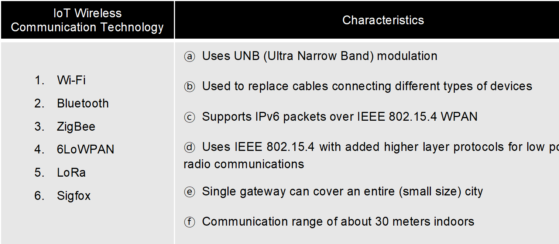
 | Which of the following correctly matches the network technology and its characteristic?

 |  | 1f
 | 1 - ⓔ | 2b
 | 2 - ⓕ | 3d
y | 3 - ⓓ | 4c
 | 4 - ⓐ | 5e
 | 5 - ⓑ | 6a
 | 6 - ⓒ
 | 1 point
 | 9.Question 9
 | Which of the following is an incorrect description about mMTC?
 | IMT-2020 defines mMTC as one of the 5G usage scenarios
 | mMTC stands for massive MTC
 | mMTC covers wide area using the 694 ~ 790 MHz frequency band
 | mMTC requires a connection density of 106 devices/km2
y | mMTC is standardized in 3GPP release 14
 | 1 point

